1-4
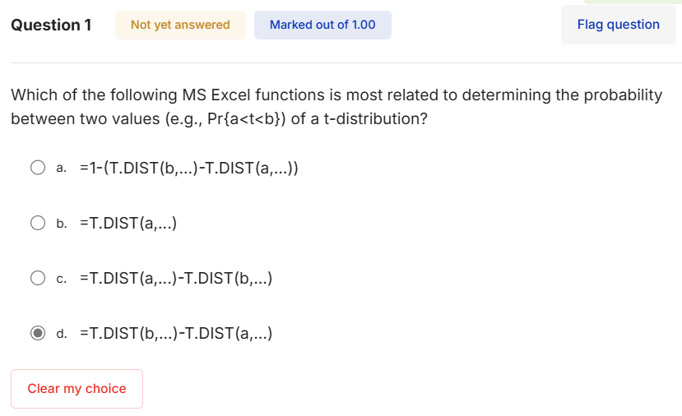
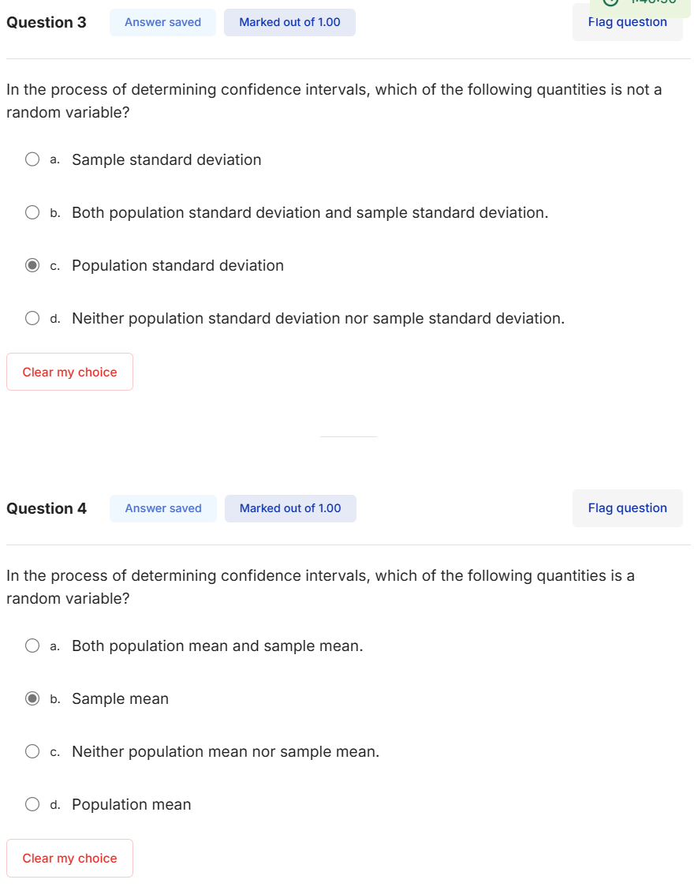

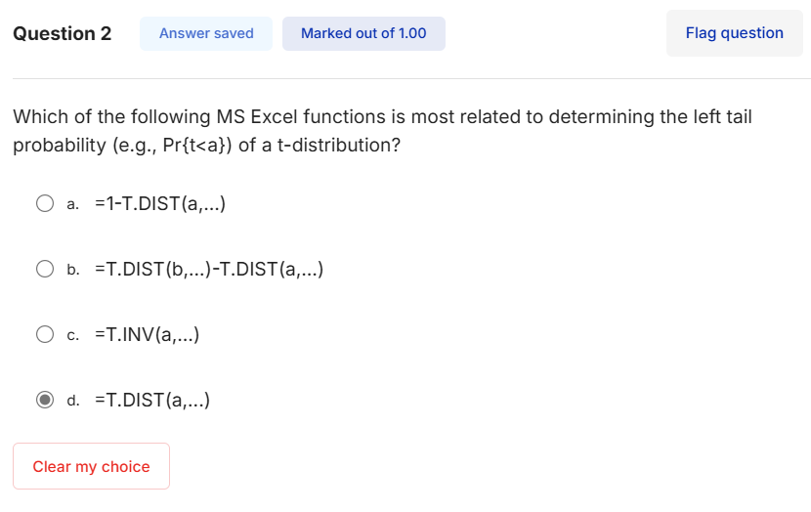

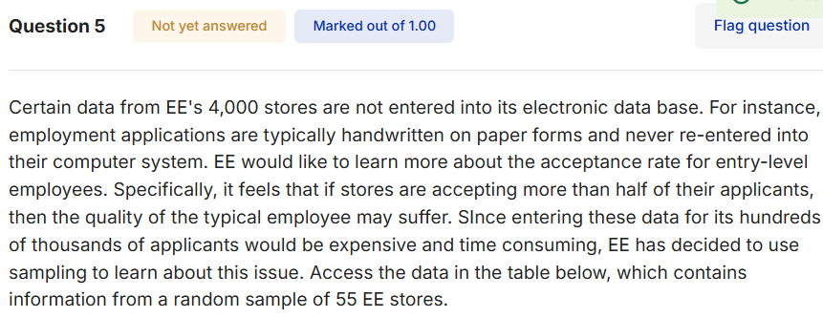

6
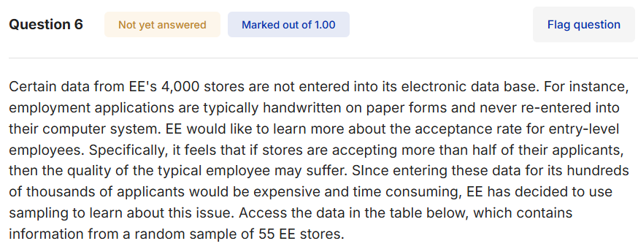
Store Number | Acceptance Rate
80 | 0.6185
104 | 0.4138
117 | 0.5462
210 | 0.3197
226 | 0.631
238 | 0.2924
256 | 0.3766
294 | 0.419
297 | 0.4346
404 | 0.4668
422 | 0.2618
449 | 0.4101
648 | 0.513
682 | 0.6569
893 | 0.5951
1203 | 0.4647
1402 | 0.3057
1505 | 0.5019
1558 | 0.3418
1688 | 0.6209
1696 | 0.3013
1760 | 0.2632
1808 | 0.6244
1890 | 0.4163
1904 | 0.2411
1941 | 0.6112 | n | 55
1994 | 0.4314 | s | 0.1397
2007 | 0.6102 | x-bar | 0.4306
2031 | 0.2262
2064 | 0.5511
2080 | 0.6534
2091 | 0.2866
2164 | 0.4957
2279 | 0.3048
2338 | 0.3408
2365 | 0.5744
2608 | 0.209
2656 | 0.2246
2687 | 0.5531
2780 | 0.4151
2813 | 0.4896
2888 | 0.3704
2923 | 0.2459
3009 | 0.2913
3187 | 0.5259
3256 | 0.6776
3339 | 0.2573
3406 | 0.2166
3497 | 0.3413
3688 | 0.5595
3690 | 0.4632
3738 | 0.4016
3785 | 0.5411
3791 | 0.5195
3865 | 0.2579

9-12
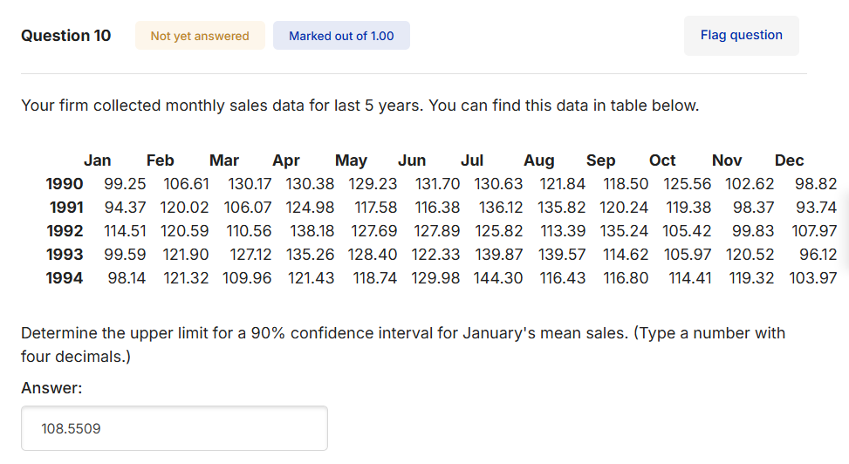
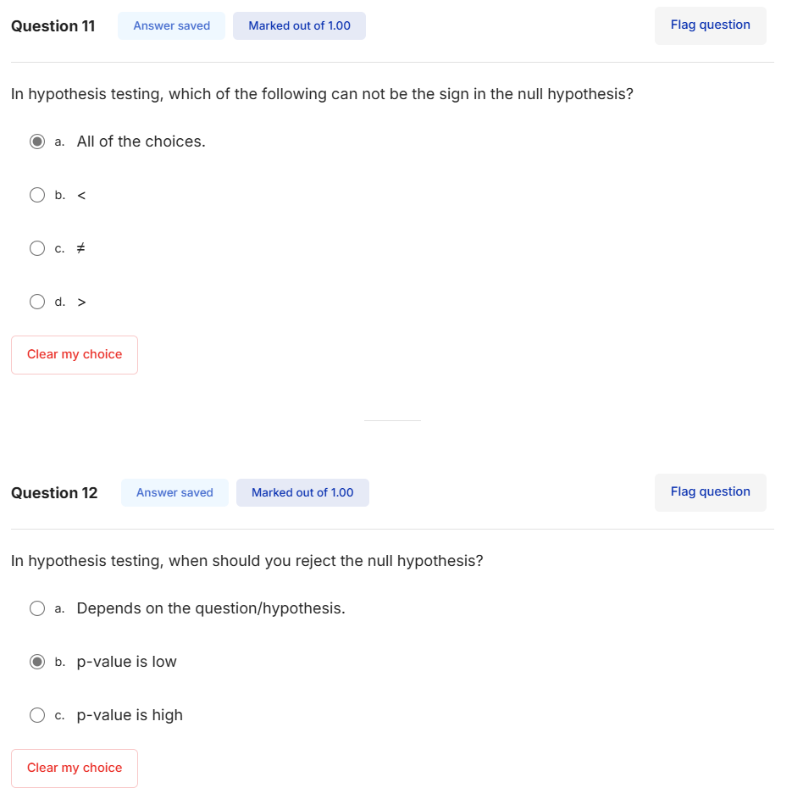
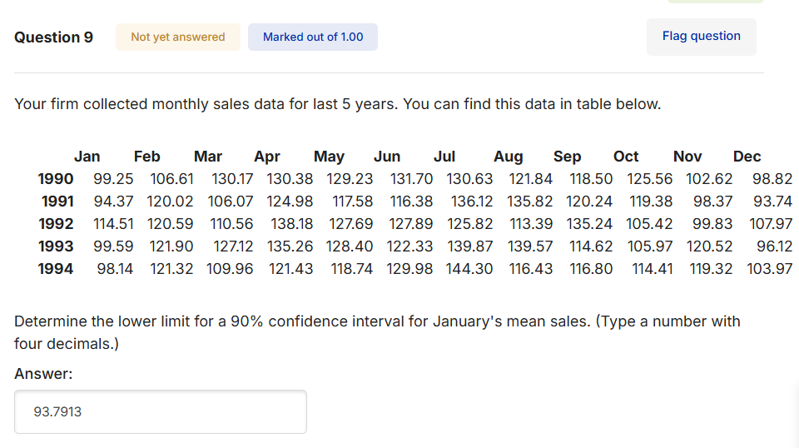

99.2500 |  | 5.0000
94.3700 | x-bar | 101.1720
114.5100 | sd | 7.7389
99.5900 | t | 2.1318
98.1400 | se | 3.4609

 | lower | 93.7938
 | upper | 108.55015018

17
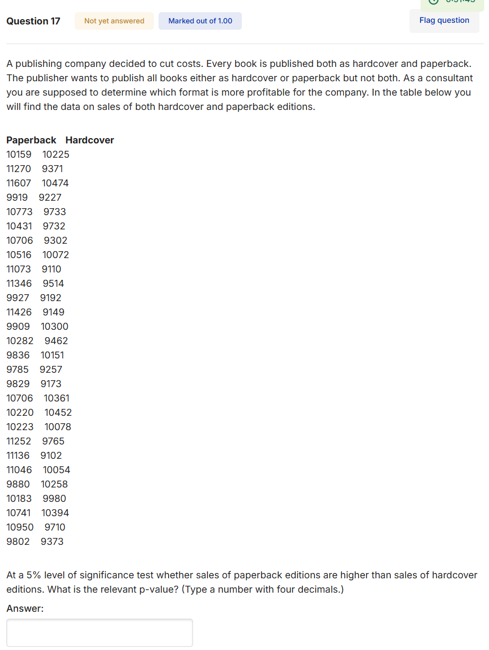
Paperback Hardcover
10159 | 10225
11270 | 9371
11607 | 10474
9919 | 9227
10773 | 9733
10431 | 9732
10706 9302
10516 10072
11073 9110
11346 9514
9927 9192
11426 9149
9909 10300
10282 9462
9836 10151
9785 9257
9829 9173
10706 10361
10220 10452
10223 10078
11252 9765
11136 9102
11046 10054
9880 10258
10183 9980
10741 10394
10950 9710
9802 9373

 |  | Right tails

18
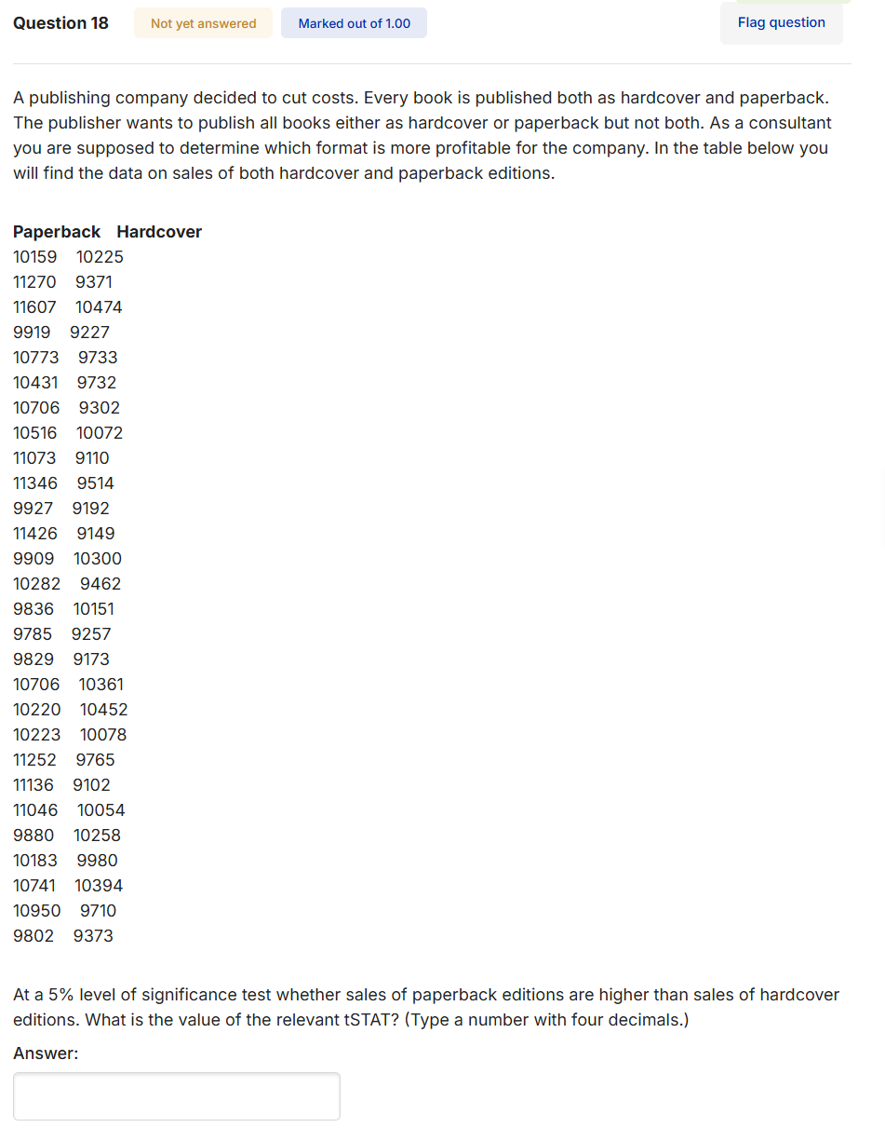
Paperback Hardcover
10159 10225
11270 9371
11607 10474
9919 9227
10773 9733
10431 9732
10706 9302
10516 10072
11073 9110
11346 9514
9927 9192
11426 9149
9909 10300
10282 9462
9836 10151
9785 9257
9829 9173
10706 10361
10220 10452
10223 10078
11252 9765
11136 9102
11046 10054
9880 10258
10183 9980
10741 10394
10950 9710
9802 9373

 | 5.3905

19
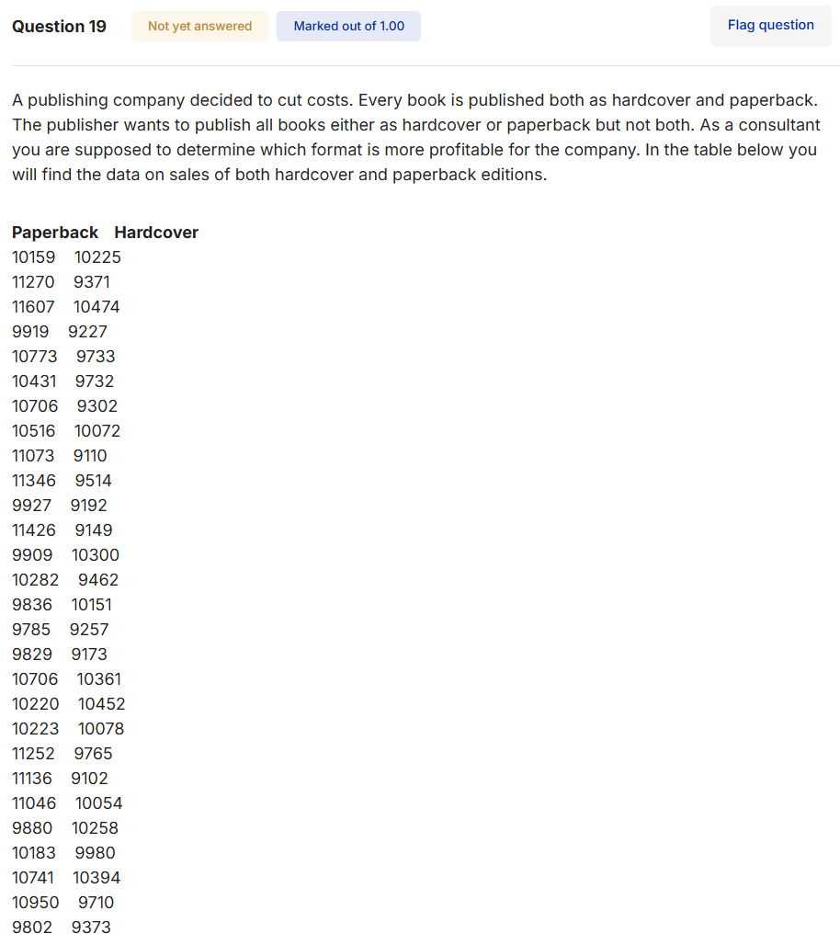
Paperback Hardcover
10159 10225
11270 9371
11607 10474
9919 9227
10773 9733
10431 9732
10706 9302
10516 10072
11073 9110
11346 9514
9927 9192
11426 9149
9909 10300
10282 9462
9836 10151
9785 9257
9829 9173
10706 10361
10220 10452
10223 10078
11252 9765
11136 9102
11046 10054
9880 10258
10183 9980
10741 10394
10950 9710
9802 9373

20

Paperback Hardcover
10159 10225
11270 9371
11607 10474
9919 9227
10773 9733
10431 9732
10706 9302
10516 10072
11073 9110
11346 9514
9927 9192
11426 9149
9909 10300
10282 9462
9836 10151
9785 9257
9829 9173
10706 10361
10220 10452
10223 10078
11252 9765
11136 9102
11046 10054
9880 10258
10183 9980
10741 10394
10950 9710
9802 9373

21-22
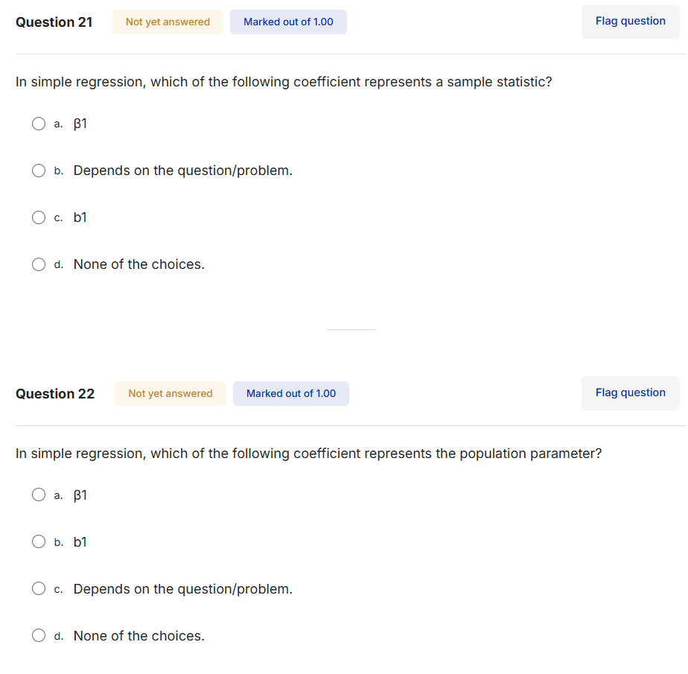

31-32
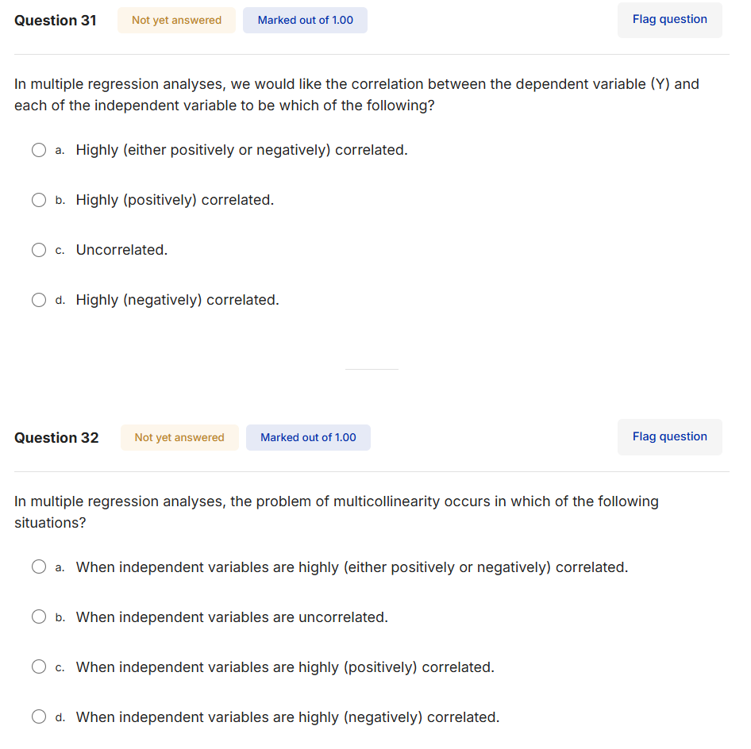

33
MKTDUB | pdub | poscar | pbpreg | pbpbeef
0.045456 | 149 | 169 | 169 | 179
0.093015 | 149 | 199 | 189 | 199
0.059666 | 189 | 199 | 189 | 199
0.034597 | 189 | 199 | 189 | 199
0.027654 | 189 | 169 | 159 | 169
0.029422 | 189 | 199 | 189 | 199
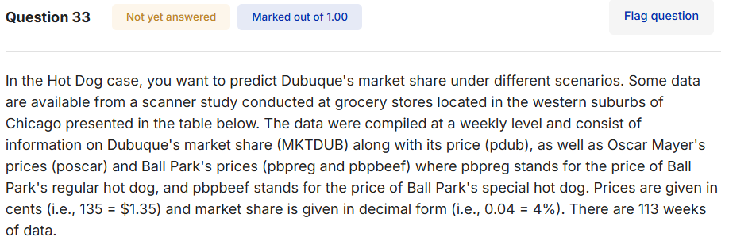
0.036883 | 189 | 199 | 189 | 199
0.041337 | 189 | 189 | 189 | 199
0.02913 | 189 | 189 | 169 | 179
0.039164 | 189 | 189 | 189 | 199
0.033574 | 189 | 189 | 189 | 199
0.034527 | 189 | 179 | 189 | 199
0.041544 | 189 | 189 | 189 | 199
0.035472 | 189 | 189 | 189 | 199
0.037291 | 189 | 179 | 189 | 199
0.038774 | 189 | 189 | 189 | 199
0.034631 | 179 | 189 | 179 | 189
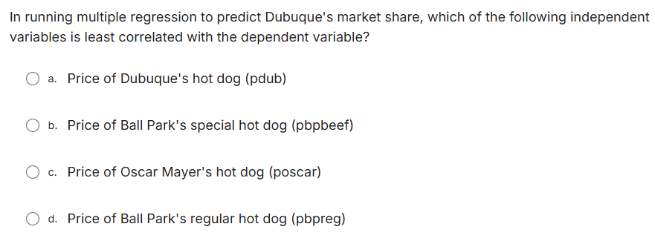
0.030869 | 179 | 189 | 189 | 199
0.030623 | 179 | 189 | 189 | 199
0.035793 | 179 | 159 | 189 | 199
0.034116 | 179 | 189 | 189 | 199
0.029159 | 179 | 189 | 189 | 199
0.030349 | 179 | 189 | 189 | 199
0.034321 | 179 | 189 | 189 | 199
0.060446 | 148 | 168 | 178 | 188
0.035579 | 148 | 168 | 178 | 188
0.038465 | 148 | 168 | 159 | 169
0.048558 | 148 | 168 | 159 | 169
0.039835 | 148 | 168 | 159 | 169
0.049787 | 148 | 168 | 159 | 169
0.057729 | 148 | 168 | 178 | 188
0.031367 | 148 | 168 | 159 | 169
0.048948 | 148 | 168 | 159 | 169
0.047501 | 148 | 168 | 178 | 188
0.036663 | 148 | 168 | 149 | 159
0.041131 | 148 | 168 | 149 | 159
0.048752 | 148 | 168 | 178 | 188
0.031304 | 148 | 168 | 149 | 159
0.022528 | 169 | 159 | 149 | 159
0.030746 | 169 | 159 | 149 | 159
0.029246 | 169 | 179 | 149 | 149
0.021322 | 159 | 159 | 149 | 149
0.028553 | 159 | 159 | 149 | 149
0.025173 | 169 | 179 | 179 | 189
0.087335 | 159 | 179 | 179 | 189
0.054421 | 159 | 159 | 179 | 189
0.022983 | 159 | 149 | 149 | 159
0.028725 | 159 | 149 | 149 | 159
0.03041 | 169 | 179 | 159 | 169
0.027133 | 169 | 169 | 159 | 169
0.019526 | 169 | 169 | 159 | 169
0.046468 | 149 | 179 | 159 | 169
0.034252 | 149 | 149 | 159 | 169
0.023588 | 169 | 149 | 159 | 169
0.022348 | 169 | 179 | 159 | 169
0.017095 | 169 | 149 | 159 | 169
0.040803 | 159 | 149 | 159 | 169
0.032778 | 159 | 179 | 159 | 169
0.031714 | 169 | 179 | 159 | 169
0.02246 | 169 | 179 | 149 | 159
0.022438 | 169 | 159 | 149 | 159
0.029101 | 169 | 159 | 179 | 189
0.030869 | 169 | 159 | 179 | 189
0.060325 | 139 | 159 | 179 | 189
0.040035 | 139 | 159 | 179 | 189
0.024161 | 169 | 159 | 159 | 169
0.025733 | 169 | 159 | 159 | 169
0.031336 | 169 | 159 | 179 | 189
0.039995 | 159 | 179 | 159 | 169
0.026543 | 159 | 179 | 159 | 169
0.065481 | 150 | 179 | 159 | 169
0.024429 | 169 | 159 | 179 | 189
0.017318 | 169 | 159 | 159 | 169
0.018723 | 178 | 179 | 159 | 169
0.022914 | 178 | 169 | 179 | 189
0.036045 | 169 | 169 | 169 | 179
0.024502 | 169 | 179 | 169 | 179
0.034424 | 169 | 169 | 179 | 189
0.024234 | 169 | 169 | 159 | 169
0.016941 | 178 | 179 | 159 | 169
0.034805 | 169 | 169 | 159 | 169
0.025939 | 169 | 169 | 179 | 189
0.02884 | 178 | 169 | 179 | 189
0.019255 | 178 | 169 | 159 | 169
0.01706 | 178 | 179 | 159 | 169
0.048509 | 159 | 179 | 179 | 189
0.023307 | 159 | 149 | 179 | 189
0.014552 | 178 | 149 | 149 | 149
0.050237 | 159 | 149 | 149 | 149
0.053025 | 159 | 179 | 179 | 189
0.024872 | 178 | 169 | 179 | 189
0.013926 | 178 | 169 | 149 | 149
0.025758 | 149 | 129 | 149 | 149
0.031937 | 149 | 129 | 149 | 149
0.022416 | 178 | 179 | 149 | 149
0.021688 | 178 | 149 | 149 | 149
0.056191 | 159 | 149 | 179 | 189
0.030379 | 159 | 159 | 159 | 169
0.016474 | 178 | 159 | 159 | 169
0.045684 | 159 | 179 | 179 | 189
0.035472 | 159 | 149 | 179 | 189
0.023636 | 159 | 149 | 139 | 149
0.04944 | 159 | 149 | 139 | 149
0.032387 | 159 | 179 | 169 | 169
0.022371 | 179 | 179 | 169 | 169
0.019063 | 179 | 179 | 159 | 159
0.035014 | 159 | 179 | 159 | 159
0.029599 | 159 | 179 | 169 | 169
0.023471 | 179 | 179 | 169 | 169
0.025223 | 179 | 179 | 179 | 189
0.054421 | 159 | 169 | 179 | 189
0.061791 | 159 | 169 | 179 | 189
0.074795 | 149 | 169 | 179 | 189

34
MKTDUB | pdub | poscar | pbpreg | pbpbeef
0.045456 | 149 | 169 | 169 | 179
0.093015 | 149 | 199 | 189 | 199
0.059666 | 189 | 199 | 189 | 199
0.034597 | 189 | 199 | 189 | 199
0.027654 | 189 | 169 | 159 | 169
0.029422 | 189 | 199 | 189 | 199
0.036883 | 189 | 199 | 189 | 199
0.041337 | 189 | 189 | 189 | 199
0.02913 | 189 | 189 | 169 | 179
0.039164 | 189 | 189 | 189 | 199
0.033574 | 189 | 189 | 189 | 199
0.034527 | 189 | 179 | 189 | 199
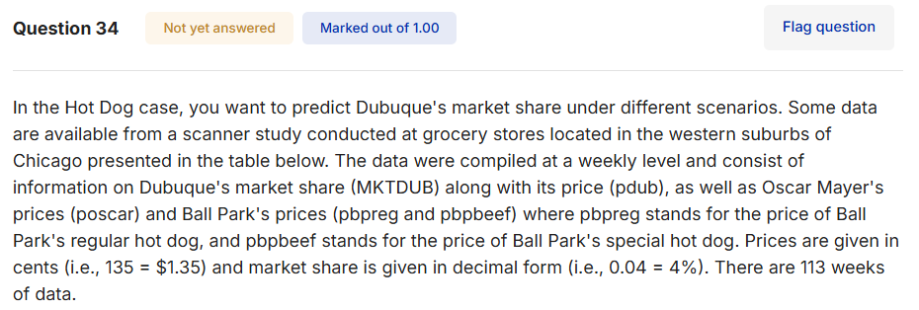
0.041544 | 189 | 189 | 189 | 199
0.035472 | 189 | 189 | 189 | 199
0.037291 | 189 | 179 | 189 | 199
0.038774 | 189 | 189 | 189 | 199
0.034631 | 179 | 189 | 179 | 189
0.030869 | 179 | 189 | 189 | 199
0.030623 | 179 | 189 | 189 | 199
0.035793 | 179 | 159 | 189 | 199
0.034116 | 179 | 189 | 189 | 199
0.029159 | 179 | 189 | 189 | 199
0.030349 | 179 | 189 | 189 | 199
0.034321 | 179 | 189 | 189 | 199

0.060446 | 148 | 168 | 178 | 188
0.035579 | 148 | 168 | 178 | 188
0.038465 | 148 | 168 | 159 | 169
0.048558 | 148 | 168 | 159 | 169
0.039835 | 148 | 168 | 159 | 169
0.049787 | 148 | 168 | 159 | 169
0.057729 | 148 | 168 | 178 | 188
0.031367 | 148 | 168 | 159 | 169
0.048948 | 148 | 168 | 159 | 169
0.047501 | 148 | 168 | 178 | 188
0.036663 | 148 | 168 | 149 | 159
0.041131 | 148 | 168 | 149 | 159
0.048752 | 148 | 168 | 178 | 188
0.031304 | 148 | 168 | 149 | 159
0.022528 | 169 | 159 | 149 | 159
0.030746 | 169 | 159 | 149 | 159
0.029246 | 169 | 179 | 149 | 149
0.021322 | 159 | 159 | 149 | 149
0.028553 | 159 | 159 | 149 | 149
0.025173 | 169 | 179 | 179 | 189
0.087335 | 159 | 179 | 179 | 189
0.054421 | 159 | 159 | 179 | 189
0.022983 | 159 | 149 | 149 | 159
0.028725 | 159 | 149 | 149 | 159
0.03041 | 169 | 179 | 159 | 169
0.027133 | 169 | 169 | 159 | 169
0.019526 | 169 | 169 | 159 | 169
0.046468 | 149 | 179 | 159 | 169
0.034252 | 149 | 149 | 159 | 169
0.023588 | 169 | 149 | 159 | 169
0.022348 | 169 | 179 | 159 | 169
0.017095 | 169 | 149 | 159 | 169
0.040803 | 159 | 149 | 159 | 169
0.032778 | 159 | 179 | 159 | 169
0.031714 | 169 | 179 | 159 | 169
0.02246 | 169 | 179 | 149 | 159
0.022438 | 169 | 159 | 149 | 159
0.029101 | 169 | 159 | 179 | 189
0.030869 | 169 | 159 | 179 | 189
0.060325 | 139 | 159 | 179 | 189
0.040035 | 139 | 159 | 179 | 189
0.024161 | 169 | 159 | 159 | 169
0.025733 | 169 | 159 | 159 | 169
0.031336 | 169 | 159 | 179 | 189
0.039995 | 159 | 179 | 159 | 169
0.026543 | 159 | 179 | 159 | 169
0.065481 | 150 | 179 | 159 | 169
0.024429 | 169 | 159 | 179 | 189
0.017318 | 169 | 159 | 159 | 169
0.018723 | 178 | 179 | 159 | 169
0.022914 | 178 | 169 | 179 | 189
0.036045 | 169 | 169 | 169 | 179
0.024502 | 169 | 179 | 169 | 179
0.034424 | 169 | 169 | 179 | 189
0.024234 | 169 | 169 | 159 | 169
0.016941 | 178 | 179 | 159 | 169
0.034805 | 169 | 169 | 159 | 169
0.025939 | 169 | 169 | 179 | 189
0.02884 | 178 | 169 | 179 | 189
0.019255 | 178 | 169 | 159 | 169
0.01706 | 178 | 179 | 159 | 169
0.048509 | 159 | 179 | 179 | 189
0.023307 | 159 | 149 | 179 | 189
0.014552 | 178 | 149 | 149 | 149
0.050237 | 159 | 149 | 149 | 149
0.053025 | 159 | 179 | 179 | 189
0.024872 | 178 | 169 | 179 | 189
0.013926 | 178 | 169 | 149 | 149
0.025758 | 149 | 129 | 149 | 149
0.031937 | 149 | 129 | 149 | 149
0.022416 | 178 | 179 | 149 | 149
0.021688 | 178 | 149 | 149 | 149
0.056191 | 159 | 149 | 179 | 189
0.030379 | 159 | 159 | 159 | 169
0.016474 | 178 | 159 | 159 | 169
0.045684 | 159 | 179 | 179 | 189
0.035472 | 159 | 149 | 179 | 189
0.023636 | 159 | 149 | 139 | 149
0.04944 | 159 | 149 | 139 | 149
0.032387 | 159 | 179 | 169 | 169
0.022371 | 179 | 179 | 169 | 169
0.019063 | 179 | 179 | 159 | 159
0.035014 | 159 | 179 | 159 | 159
0.029599 | 159 | 179 | 169 | 169
0.023471 | 179 | 179 | 169 | 169
0.025223 | 179 | 179 | 179 | 189
0.054421 | 159 | 169 | 179 | 189
0.061791 | 159 | 169 | 179 | 189
0.074795 | 149 | 169 | 179 | 189

35
MKTDUB | pdub | poscar | pbpreg | pbpbeef
0.045456 | 149 | 169 | 169 | 179
0.093015 | 149 | 199 | 189 | 199
0.059666 | 189 | 199 | 189 | 199
0.034597 | 189 | 199 | 189 | 199
0.027654 | 189 | 169 | 159 | 169
0.029422 | 189 | 199 | 189 | 199
0.036883 | 189 | 199 | 189 | 199
0.041337 | 189 | 189 | 189 | 199
0.02913 | 189 | 189 | 169 | 179
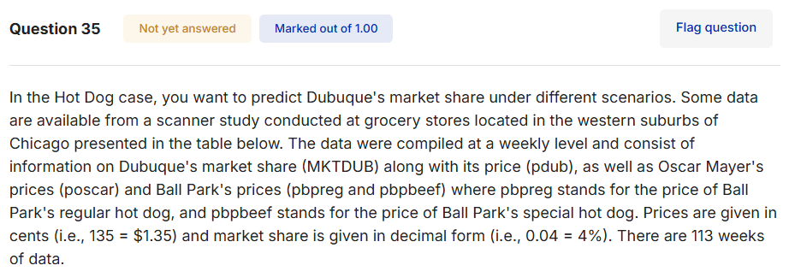
0.039164 | 189 | 189 | 189 | 199
0.033574 | 189 | 189 | 189 | 199
0.034527 | 189 | 179 | 189 | 199
0.041544 | 189 | 189 | 189 | 199
0.035472 | 189 | 189 | 189 | 199
0.037291 | 189 | 179 | 189 | 199
0.038774 | 189 | 189 | 189 | 199
0.034631 | 179 | 189 | 179 | 189
0.030869 | 179 | 189 | 189 | 199
0.030623 | 179 | 189 | 189 | 199
0.035793 | 179 | 159 | 189 | 199
0.034116 | 179 | 189 | 189 | 199
0.029159 | 179 | 189 | 189 | 199
0.030349 | 179 | 189 | 189 | 199
0.034321 | 179 | 189 | 189 | 199
0.060446 | 148 | 168 | 178 | 188
0.035579 | 148 | 168 | 178 | 188
0.038465 | 148 | 168 | 159 | 169
0.048558 | 148 | 168 | 159 | 169
0.039835 | 148 | 168 | 159 | 169
0.049787 | 148 | 168 | 159 | 169
0.057729 | 148 | 168 | 178 | 188
0.031367 | 148 | 168 | 159 | 169
0.048948 | 148 | 168 | 159 | 169
0.047501 | 148 | 168 | 178 | 188
0.036663 | 148 | 168 | 149 | 159
0.041131 | 148 | 168 | 149 | 159
0.048752 | 148 | 168 | 178 | 188
0.031304 | 148 | 168 | 149 | 159
0.022528 | 169 | 159 | 149 | 159
0.030746 | 169 | 159 | 149 | 159
0.029246 | 169 | 179 | 149 | 149
0.021322 | 159 | 159 | 149 | 149
0.028553 | 159 | 159 | 149 | 149
0.025173 | 169 | 179 | 179 | 189
0.087335 | 159 | 179 | 179 | 189
0.054421 | 159 | 159 | 179 | 189
0.022983 | 159 | 149 | 149 | 159
0.028725 | 159 | 149 | 149 | 159
0.03041 | 169 | 179 | 159 | 169
0.027133 | 169 | 169 | 159 | 169
0.019526 | 169 | 169 | 159 | 169
0.046468 | 149 | 179 | 159 | 169
0.034252 | 149 | 149 | 159 | 169
0.023588 | 169 | 149 | 159 | 169
0.022348 | 169 | 179 | 159 | 169
0.017095 | 169 | 149 | 159 | 169
0.040803 | 159 | 149 | 159 | 169
0.032778 | 159 | 179 | 159 | 169
0.031714 | 169 | 179 | 159 | 169
0.02246 | 169 | 179 | 149 | 159
0.022438 | 169 | 159 | 149 | 159
0.029101 | 169 | 159 | 179 | 189
0.030869 | 169 | 159 | 179 | 189
0.060325 | 139 | 159 | 179 | 189
0.040035 | 139 | 159 | 179 | 189
0.024161 | 169 | 159 | 159 | 169
0.025733 | 169 | 159 | 159 | 169
0.031336 | 169 | 159 | 179 | 189
0.039995 | 159 | 179 | 159 | 169
0.026543 | 159 | 179 | 159 | 169
0.065481 | 150 | 179 | 159 | 169
0.024429 | 169 | 159 | 179 | 189
0.017318 | 169 | 159 | 159 | 169
0.018723 | 178 | 179 | 159 | 169
0.022914 | 178 | 169 | 179 | 189
0.036045 | 169 | 169 | 169 | 179
0.024502 | 169 | 179 | 169 | 179
0.034424 | 169 | 169 | 179 | 189
0.024234 | 169 | 169 | 159 | 169
0.016941 | 178 | 179 | 159 | 169
0.034805 | 169 | 169 | 159 | 169
0.025939 | 169 | 169 | 179 | 189
0.02884 | 178 | 169 | 179 | 189
0.019255 | 178 | 169 | 159 | 169
0.01706 | 178 | 179 | 159 | 169
0.048509 | 159 | 179 | 179 | 189
0.023307 | 159 | 149 | 179 | 189
0.014552 | 178 | 149 | 149 | 149
0.050237 | 159 | 149 | 149 | 149
0.053025 | 159 | 179 | 179 | 189
0.024872 | 178 | 169 | 179 | 189
0.013926 | 178 | 169 | 149 | 149
0.025758 | 149 | 129 | 149 | 149
0.031937 | 149 | 129 | 149 | 149
0.022416 | 178 | 179 | 149 | 149
0.021688 | 178 | 149 | 149 | 149
0.056191 | 159 | 149 | 179 | 189
0.030379 | 159 | 159 | 159 | 169
0.016474 | 178 | 159 | 159 | 169
0.045684 | 159 | 179 | 179 | 189
0.035472 | 159 | 149 | 179 | 189
0.023636 | 159 | 149 | 139 | 149
0.04944 | 159 | 149 | 139 | 149
0.032387 | 159 | 179 | 169 | 169
0.022371 | 179 | 179 | 169 | 169
0.019063 | 179 | 179 | 159 | 159
0.035014 | 159 | 179 | 159 | 159
0.029599 | 159 | 179 | 169 | 169
0.023471 | 179 | 179 | 169 | 169
0.025223 | 179 | 179 | 179 | 189
0.054421 | 159 | 169 | 179 | 189
0.061791 | 159 | 169 | 179 | 189
0.074795 | 149 | 169 | 179 | 189

36
MKTDUB | pdub | poscar | pbpreg | pbpbeef
0.045456 | 149 | 169 | 169 | 179
0.093015 | 149 | 199 | 189 | 199
0.059666 | 189 | 199 | 189 | 199
0.034597 | 189 | 199 | 189 | 199
0.027654 | 189 | 169 | 159 | 169
0.029422 | 189 | 199 | 189 | 199
0.036883 | 189 | 199 | 189 | 199
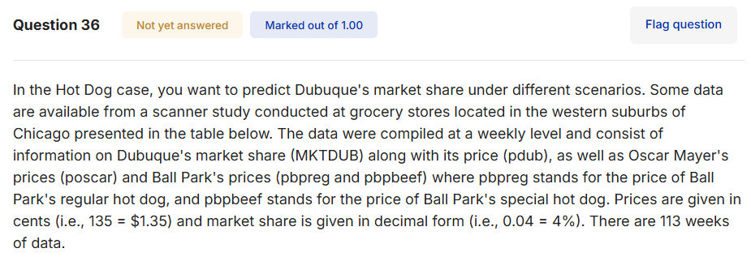
0.041337 | 189 | 189 | 189 | 199
0.02913 | 189 | 189 | 169 | 179
0.039164 | 189 | 189 | 189 | 199
0.033574 | 189 | 189 | 189 | 199
0.034527 | 189 | 179 | 189 | 199
0.041544 | 189 | 189 | 189 | 199
0.035472 | 189 | 189 | 189 | 199
0.037291 | 189 | 179 | 189 | 199
0.038774 | 189 | 189 | 189 | 199
0.034631 | 179 | 189 | 179 | 189
0.030869 | 179 | 189 | 189 | 199
0.030623 | 179 | 189 | 189 | 199
0.035793 | 179 | 159 | 189 | 199
0.034116 | 179 | 189 | 189 | 199
0.029159 | 179 | 189 | 189 | 199
0.030349 | 179 | 189 | 189 | 199
0.034321 | 179 | 189 | 189 | 199
0.060446 | 148 | 168 | 178 | 188
0.035579 | 148 | 168 | 178 | 188
0.038465 | 148 | 168 | 159 | 169
0.048558 | 148 | 168 | 159 | 169
0.039835 | 148 | 168 | 159 | 169
0.049787 | 148 | 168 | 159 | 169
0.057729 | 148 | 168 | 178 | 188
0.031367 | 148 | 168 | 159 | 169
0.048948 | 148 | 168 | 159 | 169
0.047501 | 148 | 168 | 178 | 188
0.036663 | 148 | 168 | 149 | 159
0.041131 | 148 | 168 | 149 | 159
0.048752 | 148 | 168 | 178 | 188
0.031304 | 148 | 168 | 149 | 159
0.022528 | 169 | 159 | 149 | 159
0.030746 | 169 | 159 | 149 | 159
0.029246 | 169 | 179 | 149 | 149
0.021322 | 159 | 159 | 149 | 149
0.028553 | 159 | 159 | 149 | 149
0.025173 | 169 | 179 | 179 | 189
0.087335 | 159 | 179 | 179 | 189
0.054421 | 159 | 159 | 179 | 189
0.022983 | 159 | 149 | 149 | 159
0.028725 | 159 | 149 | 149 | 159
0.03041 | 169 | 179 | 159 | 169
0.027133 | 169 | 169 | 159 | 169
0.019526 | 169 | 169 | 159 | 169
0.046468 | 149 | 179 | 159 | 169
0.034252 | 149 | 149 | 159 | 169
0.023588 | 169 | 149 | 159 | 169
0.022348 | 169 | 179 | 159 | 169
0.017095 | 169 | 149 | 159 | 169
0.040803 | 159 | 149 | 159 | 169
0.032778 | 159 | 179 | 159 | 169
0.031714 | 169 | 179 | 159 | 169
0.02246 | 169 | 179 | 149 | 159
0.022438 | 169 | 159 | 149 | 159
0.029101 | 169 | 159 | 179 | 189
0.030869 | 169 | 159 | 179 | 189
0.060325 | 139 | 159 | 179 | 189
0.040035 | 139 | 159 | 179 | 189
0.024161 | 169 | 159 | 159 | 169
0.025733 | 169 | 159 | 159 | 169
0.031336 | 169 | 159 | 179 | 189
0.039995 | 159 | 179 | 159 | 169
0.026543 | 159 | 179 | 159 | 169
0.065481 | 150 | 179 | 159 | 169
0.024429 | 169 | 159 | 179 | 189
0.017318 | 169 | 159 | 159 | 169
0.018723 | 178 | 179 | 159 | 169
0.022914 | 178 | 169 | 179 | 189
0.036045 | 169 | 169 | 169 | 179
0.024502 | 169 | 179 | 169 | 179
0.034424 | 169 | 169 | 179 | 189
0.024234 | 169 | 169 | 159 | 169
0.016941 | 178 | 179 | 159 | 169
0.034805 | 169 | 169 | 159 | 169
0.025939 | 169 | 169 | 179 | 189
0.02884 | 178 | 169 | 179 | 189
0.019255 | 178 | 169 | 159 | 169
0.01706 | 178 | 179 | 159 | 169
0.048509 | 159 | 179 | 179 | 189
0.023307 | 159 | 149 | 179 | 189
0.014552 | 178 | 149 | 149 | 149
0.050237 | 159 | 149 | 149 | 149
0.053025 | 159 | 179 | 179 | 189
0.024872 | 178 | 169 | 179 | 189
0.013926 | 178 | 169 | 149 | 149
0.025758 | 149 | 129 | 149 | 149
0.031937 | 149 | 129 | 149 | 149
0.022416 | 178 | 179 | 149 | 149
0.021688 | 178 | 149 | 149 | 149
0.056191 | 159 | 149 | 179 | 189
0.030379 | 159 | 159 | 159 | 169
0.016474 | 178 | 159 | 159 | 169
0.045684 | 159 | 179 | 179 | 189
0.035472 | 159 | 149 | 179 | 189
0.023636 | 159 | 149 | 139 | 149
0.04944 | 159 | 149 | 139 | 149
0.032387 | 159 | 179 | 169 | 169
0.022371 | 179 | 179 | 169 | 169
0.019063 | 179 | 179 | 159 | 159
0.035014 | 159 | 179 | 159 | 159
0.029599 | 159 | 179 | 169 | 169
0.023471 | 179 | 179 | 169 | 169
0.025223 | 179 | 179 | 179 | 189
0.054421 | 159 | 169 | 179 | 189
0.061791 | 159 | 169 | 179 | 189
0.074795 | 149 | 169 | 179 | 189

37-38




39-40
